D1
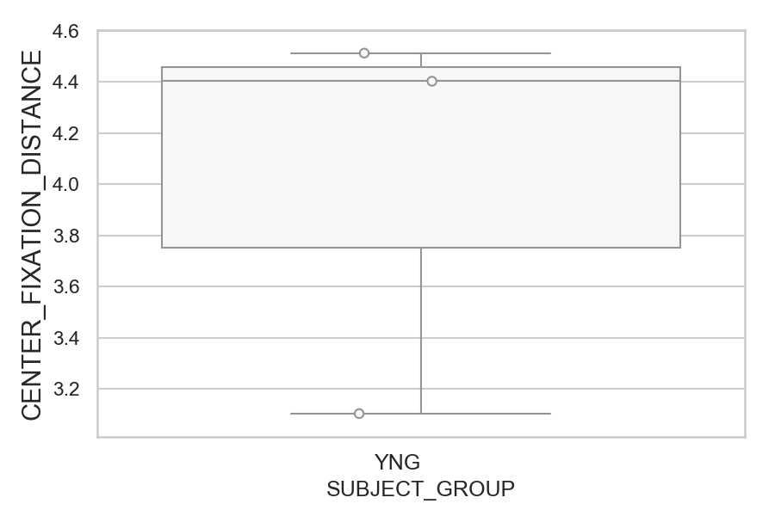
Distance (in degrees) from screen center during fixation period (median of all fixations per trial) (mean of trials per subject)
SUBJECT_NAME | SUBJECT_GROUP | SUBJECT_AGE | VALUE
MP1 | YNG |  | 4.5134200536
AW001CG | YNG | 19 | 4.4035439914
AW002AF | YNG | 19 | 3.1031962601

D1 (types)
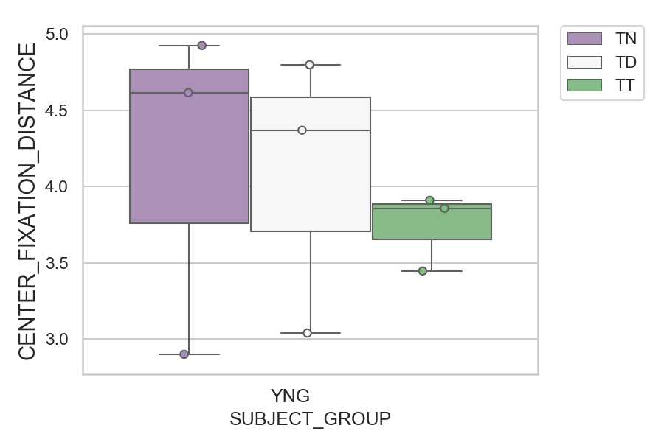
Distance (in degrees) from screen center during fixation period (median of all fixations per trial) (mean of trials per subject)
SUBJECT_NAME | SUBJECT_GROUP | CONDITION_APPEARANCE | SUBJECT_AGE | VALUE
AW001CG | YNG | TN | 19 | 4.9242507581
MP1 | YNG | TD |  | 4.7981638277
MP1 | YNG | TN |  | 4.6151861106
AW001CG | YNG | TD | 19 | 4.3689881008
AW001CG | YNG | TT | 19 | 3.9092364938
MP1 | YNG | TT |  | 3.8562416573
AW002AF | YNG | TT | 19 | 3.4458973397
AW002AF | YNG | TD | 19 | 3.0390591316
AW002AF | YNG | TN | 19 | 2.8995044158

D2
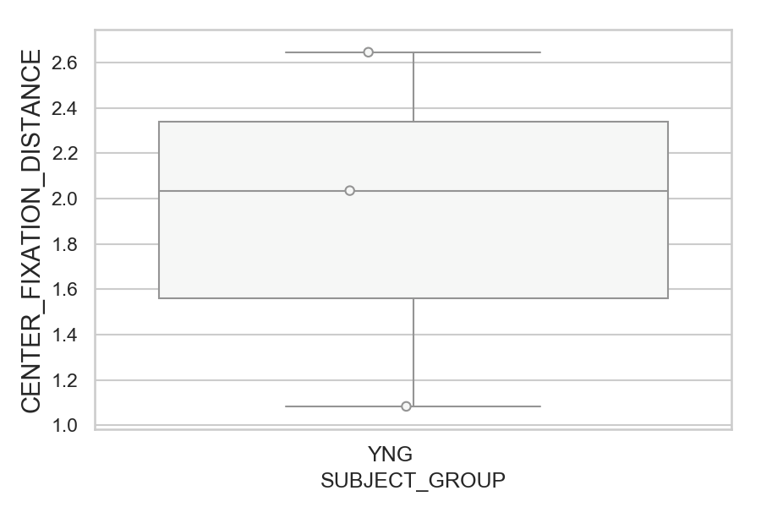
Distance (in degrees) from screen center during fixation period (median of all fixations per trial) (mean of trials per subject)
SUBJECT_NAME | SUBJECT_GROUP | SUBJECT_AGE | VALUE
MP1 | YNG |  | 2.6451131388
AW002AF | YNG | 19 | 2.0347713459
AW001CG | YNG | 19 | 1.0835040428

D2 (types)
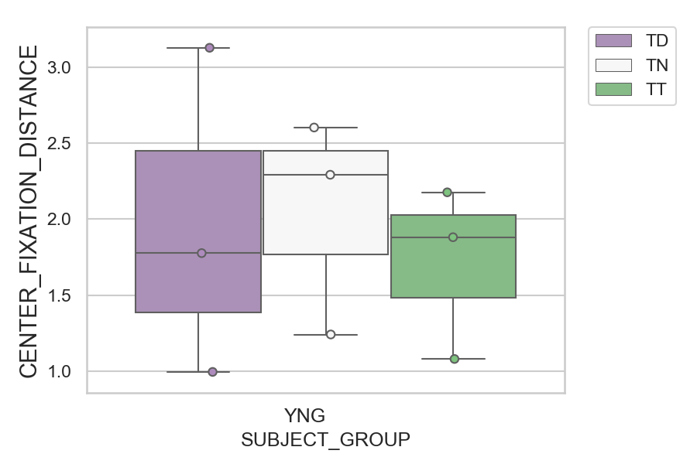
Distance (in degrees) from screen center during fixation period (median of all fixations per trial) (mean of trials per subject)
SUBJECT_NAME | SUBJECT_GROUP | CONDITION_APPEARANCE | SUBJECT_AGE | VALUE
MP1 | YNG | TD |  | 3.1256527597
AW002AF | YNG | TN | 19 | 2.6018167973
MP1 | YNG | TN |  | 2.2913484069
MP1 | YNG | TT |  | 2.1759050592
AW002AF | YNG | TT | 19 | 1.8810109247
AW002AF | YNG | TD | 19 | 1.7765213092
AW001CG | YNG | TN | 19 | 1.2419535642
AW001CG | YNG | TT | 19 | 1.0810125226
AW001CG | YNG | TD | 19 | 0.99596824039

D2 (no D1 failed)
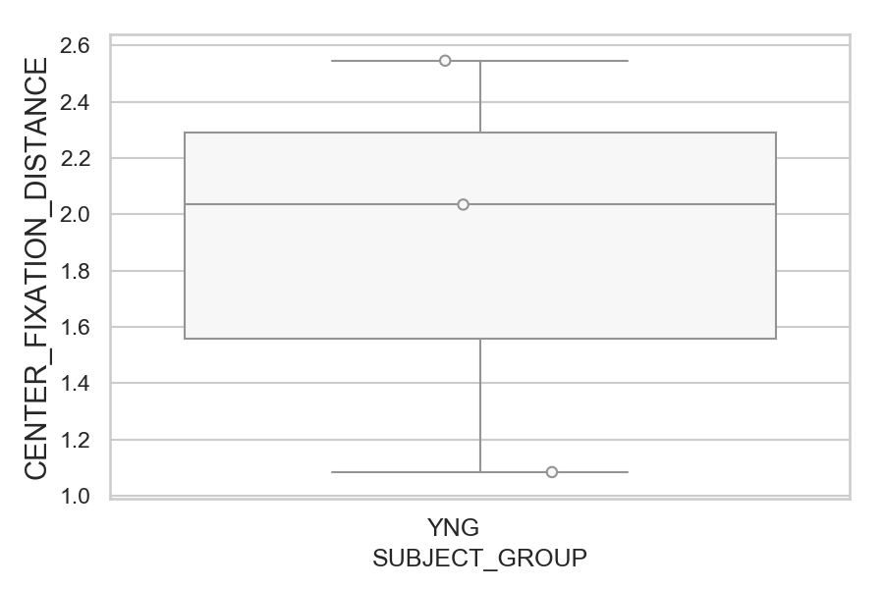
Distance (in degrees) from screen center during fixation period (median of all fixations per trial) (mean of trials per subject)
SUBJECT_NAME | SUBJECT_GROUP | SUBJECT_AGE | VALUE
MP1 | YNG |  | 2.5465235416
AW002AF | YNG | 19 | 2.0347713459
AW001CG | YNG | 19 | 1.0835040428

D2 (no D1 failed) (types)
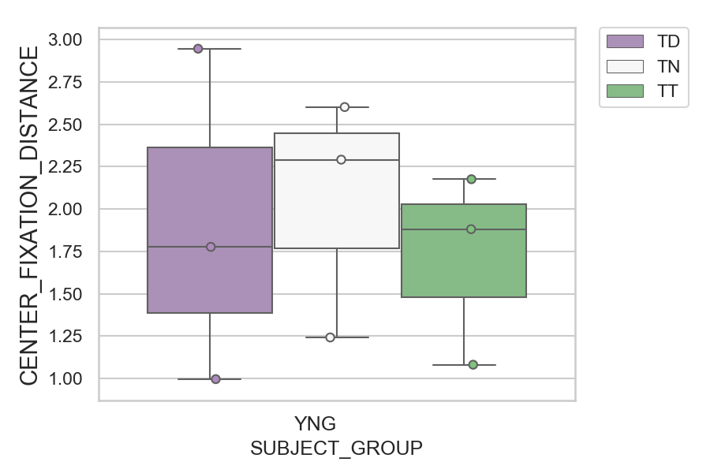
Distance (in degrees) from screen center during fixation period (median of all fixations per trial) (mean of trials per subject)
SUBJECT_NAME | SUBJECT_GROUP | CONDITION_APPEARANCE | SUBJECT_AGE | VALUE
MP1 | YNG | TD |  | 2.9460707872
AW002AF | YNG | TN | 19 | 2.6018167973
MP1 | YNG | TN |  | 2.2913484069
MP1 | YNG | TT |  | 2.1759050592
AW002AF | YNG | TT | 19 | 1.8810109247
AW002AF | YNG | TD | 19 | 1.7765213092
AW001CG | YNG | TN | 19 | 1.2419535642
AW001CG | YNG | TT | 19 | 1.0810125226
AW001CG | YNG | TD | 19 | 0.99596824039

